ML-Timeline 1
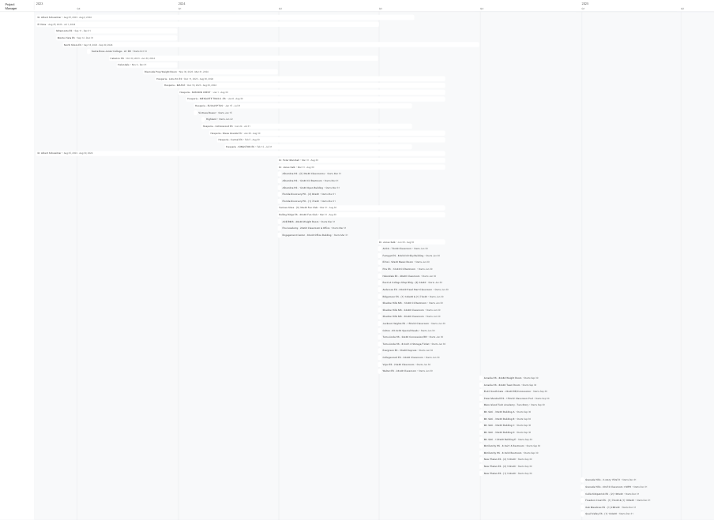

PM Sch.


Production Sch.


Field Sch.
